Customer for the year
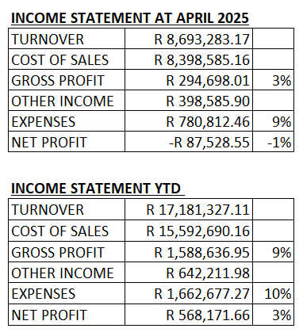
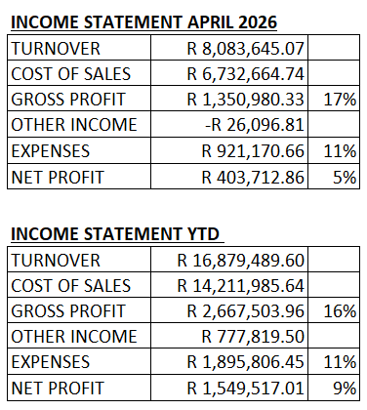
Average Selling Price:

April 2025: R312
April 2026: R324

 | Ave Selling Price / m2 | Ave Purchase Price / m2 | Gross Profit / m2 | m2 sold
Apr-25 | R312 | R228 | R84 | 24,325
Apr-26 | R324 | R238 | R86 | 23,574

